Worksheet
IMAGE | SKU | BRAND | GENDER | NAME | TOTAL UNITS
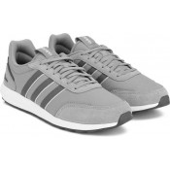 | FV7032 | Adidas | Mens | ADIDAS MENS RETRO RUN TRAINER | 233 | SIZE QTY | 7.5 23 | 8 23 | 8.5 48 | 9 70 | 9.5 23 | 10 23 | 10.5 23
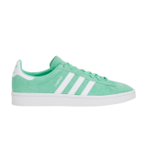 | BZ0076 | Adidas | Ladies | ADIDAS WOMENS CAMPUS TRAINER | 10 | SIZE QTY | 4 10
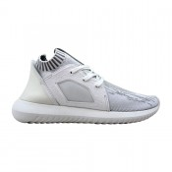 | BB5142 | Adidas | Ladies | ADIDAS WOMENS TUBULAR DEFIANT PK TRAINER | 7 | SIZE QTY | 4 2 | 4.5 5
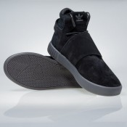 | BB8392 | Adidas | Mens | ADIDAS MENS TUBULAR INVADER STRAP BLACK | 125 | SIZE QTY | 9 6 | 9.5 17 | 10.5 65 | 11 37
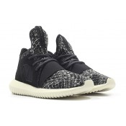 | BB5122 | Adidas | Ladies | ADIDAS WOMENS TUBULAR DEFIANT TRAINER | 9 | SIZE QTY | 3.5 1 | 4 2 | 4.5 5 | 5.5 1
 | FX1538 | Adidas | Mens | ADIDAS ORIGINALS MENS ZX750 HD TRAINER WHITE | 131 | SIZE QTY | 6 7 | 7 15 | 7.5 7 | 8 26 | 8.5 8 | 9 28 | 9.5 6 | 10 12 | 10.5 6 | 11 11 | 12 5
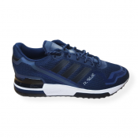 | FX1539 | Adidas | Mens | ADIDAS ORIGINALS MENS ZX750 HD TRAINER NAVY | 144 | SIZE QTY | 6 8 | 7 17 | 7.5 7 | 8 29 | 8.5 8 | 9 31 | 9.5 7 | 10 17 | 10.5 6 | 11 10 | 12 4
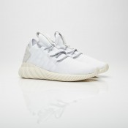 | BZ0626 | Adidas | Ladies | ADIDAS WOMENS TUBULAR DAWN TRAINER | 108 | SIZE QTY | 3.5 9 | 4 5 | 4.5 6 | 5 22 | 5.5 9 | 6 23 | 6.5 16 | 7 9 | 7.5 9
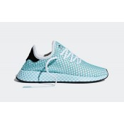 | CQ2908 | Adidas | Ladies | ADIDAS DEEPURT RUNNER PARLEY TRAINER | 17 | SIZE QTY | 3.5 1 | 4 7 | 4.5 7 | 7 1 | 7.5 1
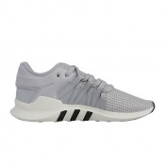 | CP9678 | Adidas | Ladies | ADIDAS WOMENS EQT RACING ADV TRAINER | 16 | SIZE QTY | 3.5 2 | 4 3 | 4.5 5 | 5.5 6
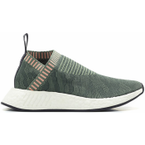 | BY8781 | Adidas | Junior | ADIDAS WOMENS NMD CS2 PK TRAINER GREEN | 92 | SIZE QTY | 3.5 13 | 4 24 | 4.5 8 | 5 10 | 5.5 11 | 6 6 | 6.5 5 | 7 11 | 7.5 3 | 8 1
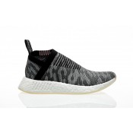 | BY9312 | Adidas | Ladies | ADIDAS WOMENS NMD CS2 PK TRAINER | 150 | SIZE QTY | 3.5 21 | 4 30 | 4.5 21 | 5 15 | 5.5 15 | 6.5 11 | 7 11 | 7.5 18 | 8 8
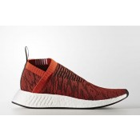 | BY9406 | Adidas | Ladies | ADIDAS WOMENS NMD CS2 PK TRAINER | 10 | SIZE QTY | 3.5 1 | 4 2 | 4.5 4 | 5 3
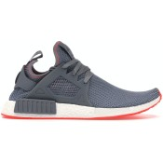 | BY9925 | Adidas | Ladies | ADIDAS WOMENS NMD XR1 TRAINER GREY | 122 | SIZE QTY | 3.5 21 | 4 22 | 4.5 31 | 5 48
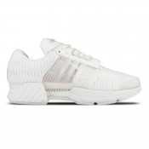 | S75927. | Adidas | Mens | ADIDAS MENS CLIMA COOL 1 TRAINER | 9 | SIZE QTY | 12.5 2 | 13.5 7
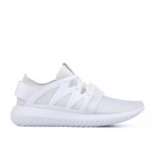 | S75583 | Adidas | Ladies | ADIDAS WOMENS TUBULAR VIRAL TRAINER | 290 | SIZE QTY | 5 45 | 5.5 68 | 6 76 | 6.5 68 | 7 33
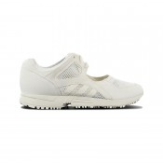 | BY9299 | Adidas | Ladies | ADIDAS WOMENS EQT RACING 91 | 252 | SIZE QTY | 4 90 | 5 88 | 6 58 | 7 15 | 8 1
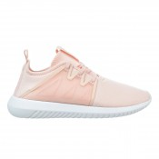 | BY2122 | Adidas | Ladies | ADIDAS WOMENS TUBULAR VIRAL 2.0 PINK | 20 | SIZE QTY | 4 8 | 5.5 1 | 7 9 | 7.5 2
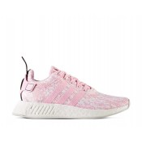 | BY9315 | Adidas | Ladies | ADIDAS WOMENS NMD R2 PINK | 89 | SIZE QTY | 7.5 64 | 8 19 | 9 6
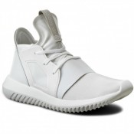 | S75250 | Adidas | Ladies | ADIDAS WOMENS TUBULAR DEFIANT WHITE | 323 | SIZE QTY | 3.5 29 | 4 22 | 4.5 49 | 5 49 | 5.5 66 | 6 46 | 6.5 38 | 7 19 | 7.5 5
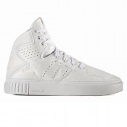 | BB2073 | Adidas | Ladies | ADIDAS WOMENS TUBULAR 2.0 DECON WHITE | 225 | SIZE QTY | 3.5 18 | 4 20 | 4.5 28 | 5 55 | 5.5 29 | 6 43 | 6.5 17 | 7 15
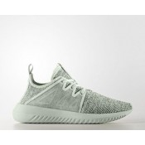 | BY9746 | Adidas | Ladies | ADIDAS WOMENS TUBULAR VIRAL 2.0 | 174 | SIZE QTY | 3.5 11 | 4 29 | 4.5 33 | 5 3 | 5.5 45 | 6 32 | 6.5 10 | 7 11
 | CI7673 | Adidas | Mens | Adidas Originals Mens Superstar Foundation Trainers Larger Sizes | 475 | SIZE QTY | 14.5 94 | 15 44 | 16 42 | 17 92 | 18 90 | 19 113
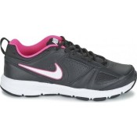 | 616696-016 | Nike | Mens | Nike Womens T-Lite X1 Gym Trainers | 307 | SIZE QTY | 3.5 18 | 4.5 13 | 5.5 29 | 6.5 48 | 7 173 | 7.5 26
 |  |  |  |  | 3338

